CNP flows interactive model
 |  |  |  |  |  |  |  |  |  |  |  |  |  |  |  |  |  |  |  |  |  |  |  |  |  |  |  | Units | Item | Ton C | Kg N | Kg P | N:P | Ton | Examples of references
 |  |  |  |  |  |  |  |  | Processing and export |  |  |  |  |  |  |  |  |  |  |  |  |  |  |  |  |  |  | Area of the observed farm / region
 |  |  |  |  |  |  |  |  | 0.00 | kg C |  |  |  |  |  |  |  |  |  |  |  |  |  |  |  |  |  | 1 | Ha
 |  |  |  |  |  |  |  |  | 0 | kg N |  | Processing loss |  |  |  | Volatilisation |  |  |  | Volatilisation |  |  |  |  |  |  |  | No. of livestock and chemical content of their manure per animal
 |  |  |  |  |  |  |  |  | 0 | kg P |  | 0.00 |  | ton C (mainly CH4) |  | 0.15 | ton C (mainly CH4) |  |  | 0.07 | ton C (mainly CH4) |  |  |  |  |  |  | 1.20 | Broilers, 1,000 produced | 2.00 | 83.40 | 18.60 |  | 2.22 | Christian Friis Børsting, Anne Louise Frydendahl Hellwing, Peter Lund (eds.): Normtal for husdyrgødning –2020, 40 sider - https://anis.au.dk/fileadmin/DJF/Anis/dokumenter_anis/Forskning/Normtal/Normtal_2020_opdateret_221220.pdf
 |  |  |  |  | Volatilisation |  |  |  |  |  |  | 0 |  | kg N (NH3) |  | 30 | kg N (NH3) |  |  | 43 | kg N (NH3) |  |  |  |  |  |  | 18.00 | Fatteners, per produced | 0.02 | 2.94 | 0.55 |  | 0.56 | Christine Brown. 2015. Carbon: Nitrogen Ratios of Organic Amendments. - https://fieldcropnews.com/2015/11/carbon-nitrogen-ratios-of-organic-amendments/
 |  |  |  |  | 0.07 | ton C (mainly CH4) |  |  |  |  |  | 0.0 |  | kg N (N2O) |  |  |  |  |  | 0.6 | kg N (N2O) |  |  |  |  |  |  | 0.40 | Dairy cows | 2.42 | 161.07 | 22.83 |  | 32.06
 |  |  |  |  | 17 | kg N (NH3) |  |  |  |  |  | 0 |  | kg P |  |  |  |  |  |  |  |  |  |  |  |  |  | Livestock manure per ha

 |  |  |  |  |  |  |  |  |  |  |  |  |  |  |  |  |  |  |  |  |  |  |  |  |  |  |  |  | Ex animal | 3.7 | 217 | 41 | 5.3 | 25.6
 |  |  |  |  |  |  |  |  |  |  |  |  |  |  |  |  |  |  |  |  |  |  |  |  |  |  |  |  | % housing loss | 2 | 8 | 0 |  |  | Christian Friis Børsting, Anne Louise Frydendahl Hellwing, Peter Lund (eds.): Normtal for husdyrgødning –2020, 40 sider - https://anis.au.dk/fileadmin/DJF/Anis/dokumenter_anis/Forskning/Normtal/Normtal_2020_opdateret_221220.pdf
 | Animal products |  |  |  |  |  |  |  |  |  |  |  |  |  |  |  |  |  |  |  |  |  |  | Photosynthesis and N-fixation |  |  |  |  | Ex housing | 3.7 | 200 | 41 | 4.8 |  | P.C.Garnsworthy, J.Craigon, J.H.Hernandez-Medrano, N.Saunders. 2012. On-farm methane measurements during milking correlate with total methane production by individual dairy cows. https://doi.org/10.3168/jds.2011-4605
 | 2.01 |  | ton C |  |  |  |  |  |  |  |  |  |  |  |  |  |  |  |  |  |  |  |  | 3.83 | ton C |  |  | Processing and export per ha
 | 178 |  | kg N |  |  |  |  |  |  |  |  |  |  |  |  |  |  |  |  |  |  |  |  | 0 | kg N |  |  |  | Export | 0.0 | 0 | 0
 | 31 |  | kg P |  |  |  |  |  |  |  |  |  |  |  |  |  |  |  |  |  |  |  |  |  |  |  |  |  | % processing loss | 0 | 0 | 0 |  |  | AgroTechnlogyATLAS - https://www.agrotechnologyatlas.eu
 |  |  |  |  |  |  |  |  |  |  |  |  | Ex processing |  |  |  |  |  |  |  |  |  |  |  |  |  |  |  | Processing loss as N2O, kg |  | 0.0
 |  |  |  |  |  |  |  |  |  |  |  |  | 3.67 |  | ton C |  |  |  |  |  |  |  |  |  |  |  |  |  | Ex processing | 3.7 | 200 | 41 | 4.8
 |  |  |  |  |  |  |  |  |  |  |  |  | 200 |  | kg N |  | Ex storage |  |  |  |  |  |  |  |  |  |  | Storage and field spreading per ha
 |  |  |  |  |  |  | Ex animal |  |  |  |  |  | 41 |  | kg P |  | 3.52 | ton C |  |  |  |  |  |  |  | Import |  |  | % storage loss | 4 | 15 | 0 |  |  | Thomas Kupper, Christoph Häni, Albrecht Neftel, Chris Kincaid, Marcel Bühler, Barbara Amon, Andrew VanderZaag. 2020. Ammonia and greenhouse gas emissions from slurry storage - A review. https://doi.org/10.1016/j.agee.2020.106963
 |  |  |  |  |  |  | 3.7 | ton C |  |  |  |  | 4.8 |  | N:P ratio |  | 170 | kg N |  |  |  |  |  |  |  | 0.00 | ton C |  | Ex storage | 3.5 | 170 | 41 | 4.1
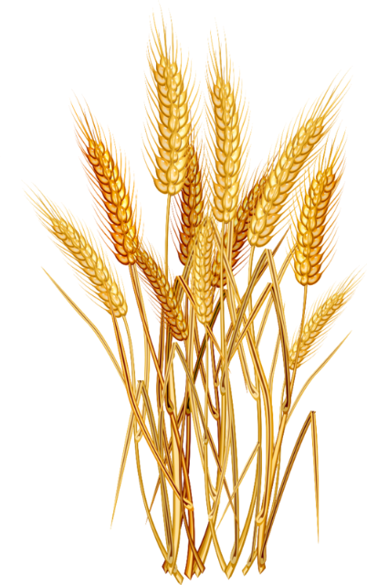
 |  |  |  |  |  |  | 217 | kg N |  |  |  |  |  |  |  |  | 41 | kg P |  |  |  |  |  |  |  | 98 | kg N |  | % field loss air | 2 | 25 | 0 |  |  | The ALFAM2 Project - Ammonia Loss from Field-Applied Manure. https://projects.au.dk/alfam/
 |  |  |  |  |  |  | 41 | kg P |  |  |  |  |  |  |  |  | 4.1 | N:P ratio |  |  |  |  |  |  |  | 0 | kg P |  | N loss as N2O, kg |  | 0.6 |  |  |  | Lars Biernat, Friedhelm Taube, Ralf Loges, Christof Kluß and Thorsten Reinsch. 2020. Nitrous Oxide Emissions and Methane Uptake from Organic and Conventionally Managed Arable Crop Rotations on Farms in Northwest Germany. Sustainability 2020, 12(8), 3240; https://doi.org/10.3390/su12083240
 | Respiration loss |  |  |  |  |  | 5.3 | N:P ratio |  |  |  |  |  |  |  |  |  |  |  |  |  |  |  |  |  |  |  |  | % field loss soil/water | 98 | 10 | 54
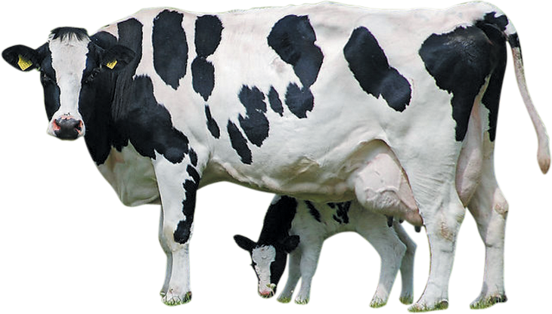
 | 1.16 |  | ton C (respiration - CO2) |  |  |  |  |  |  |  |  |  |  |  |  |  |  |  |  |  |  |  |  |  |  |  |  | Plant growth per ha in harvested crop
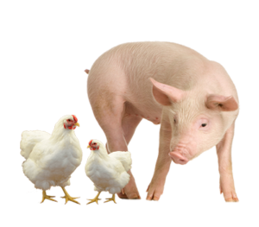
 | 0.03 |  | ton C (enteric - CH4) |  |  |  |  |  | CNP flows interactive model |  |  |  |  |  |  |  |  |  |  |  |  |  |  |  |  |  |  |  | Max need | 3.8 | 208 | 19 | 10.9 |  | Vejledning_om_goedsknings-_og_harmoniregler_2020_2021.pdf (lbst.dk)
 |  |  |  |  |  |  |  |  |  |  |  |  |  |  |  |  |  |  |  |  |  |  |  |  |  |  |  | Photosynthesis and N fixation per ha in harvested crop
 |  |  |  |  |  |  |  |  | All figures per ha |  |  |  |  |  |  |  |  |  |  |  |  | Need / crop uptake |  |  |  |  |  |  |  | 3.8 | 0 |  |  |  | Manoj Kumar, R. P. Singh, S. Panigrahy, Akhilesh Singh Raghubanshi. 2014. Carbon density and accumulation in agroecosystem of Indo-Gangetic Plains and Vindhyan highlands, India. https://www.researchgate.net/publication/261374117_Carbon_density_and_accumulation_in_agroecosystem_of_Indo-Gangetic_Plains_and_Vindhyan_highlands_India
 |  |  |  |  |  |  |  |  | © Organe Institute (organe.dk) and |  |  |  |  |  |  |  |  |  |  |  |  | 3.83 | ton C |  |  |  |  | Import per ha
 |  |  |  |  |  |  |  |  | AgroTechnologyATLAS (agrotechnologyatlas.eu), 2021 |  |  |  |  |  |  |  |  |  |  |  |  | 208 | kg N |  |  |  |  |  | Mineral fertilisers and other | 0.0 | 98 | 0
 |  |  |  |  |  |  |  |  | Free for use with citation of reference. |  |  |  |  |  |  |  |  |  |  |  |  | 19 | kg P |  |  |  |  | Feeding per ha
 |  | Imported / bought feed |  |  |  |  |  |  |  |  |  |  |  |  |  |  |  |  |  |  |  | 10.9 | N:P ratio |  |  |  |  |  | Harvest | 3.8 | 208 | 19 |  |  | Richard Engel, Dan Long, Gregg Carlson and Rosie Wallander. 2005. Estimating Straw Production of Spring and Winter Wheat. https://landresources.montana.edu/fertilizerfacts/documents/FF33StrawSWWW.pdf
 |  | 3.10 |  | ton C |  |  |  |  |  |  | Harvest - feed and bedding |  |  |  |  |  |  |  |  |  |  |  |  |  |  |  |  |  | Bought feed | 3.1 | 187 | 53
 |  | 187 |  | kg N |  |  |  |  |  |  | 3.83 |  | ton C |  |  |  |  |  |  |  |  |  |  | Sequestration |  |  |  |  | Feed efficiency, % | 29 | 45 | 43 |  |  | J. Madsen. 2015. Use of carbon dioxide as animal breath volume marker. - Examples for determination of Methane production in dairy cows.. https://www.researchgate.net/publication/323999543_Use_of_carbon_dioxide_as_animal_breath_volume_marker_-_Examples_for_determination_of_Methane_production_in_dairy_cows
 |  | 53 |  | kg P |  |  |  |  |  |  | 208 |  | kg N |  |  |  |  |  |  |  |  |  |  | 3.45 | ton C (C sequestration) |  |  |  | Animal products | 2.0 | 178 | 31
 |  |  |  |  |  |  |  |  |  |  | 19 |  | kg P |  |  |  |  |  |  |  |  |  |  | Loss to soil / water |  |  |  |  | Respiration loss | 1.2
 |  |  |  |  |  |  |  |  |  |  |  |  |  |  |  |  |  |  |  |  |  |  |  | 18 | kg N |  |  |  | Enteric methane | 0.03
 |  |  |  |  |  |  |  |  |  |  |  |  |  |  |  |  |  |  |  |  |  |  |  | 22 | kg P |  |  |  | Ex animal | 3.7 | 217 | 41
 |  |  |  |  |  |  |  |  |  |  |  |  |  |  |  |  |  |  |  |  |  |  |  |  |  |  |  | KPI's
 |  |  |  |  |  |  |  |  |  |  |  |  |  |  |  |  |  |  |  |  |  |  |  |  |  |  |  |  | Farm gate balance, kg | 1.47 | 107 | 22
 |  |  |  |  |  |  |  |  |  |  |  |  |  |  |  |  |  |  |  |  |  |  |  |  |  |  |  |  | NUE, manure, % | - | 51 | 46
Housing & feeding |  |  |  |  |  |  |  |  | Storage & processing |  |  |  |  |  |  |  |  |  | Field spreading & plant growth |  |  |  |  |  |  |  |  |  | GHG emissions, ton CO2e | 8.7

